Demo Bid - DDD
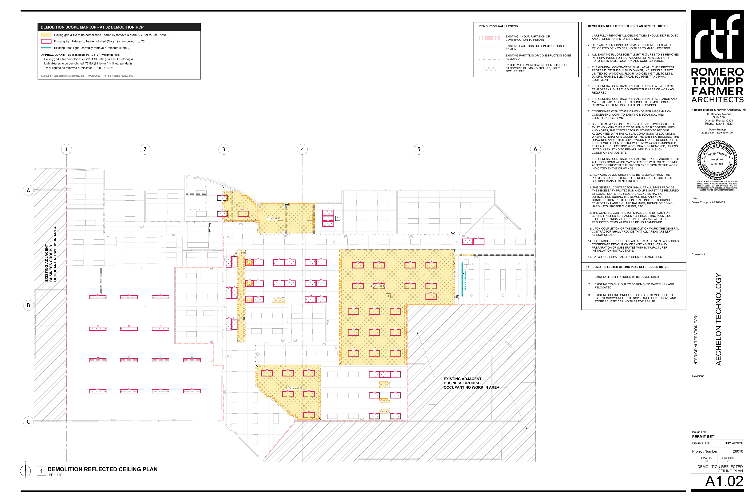
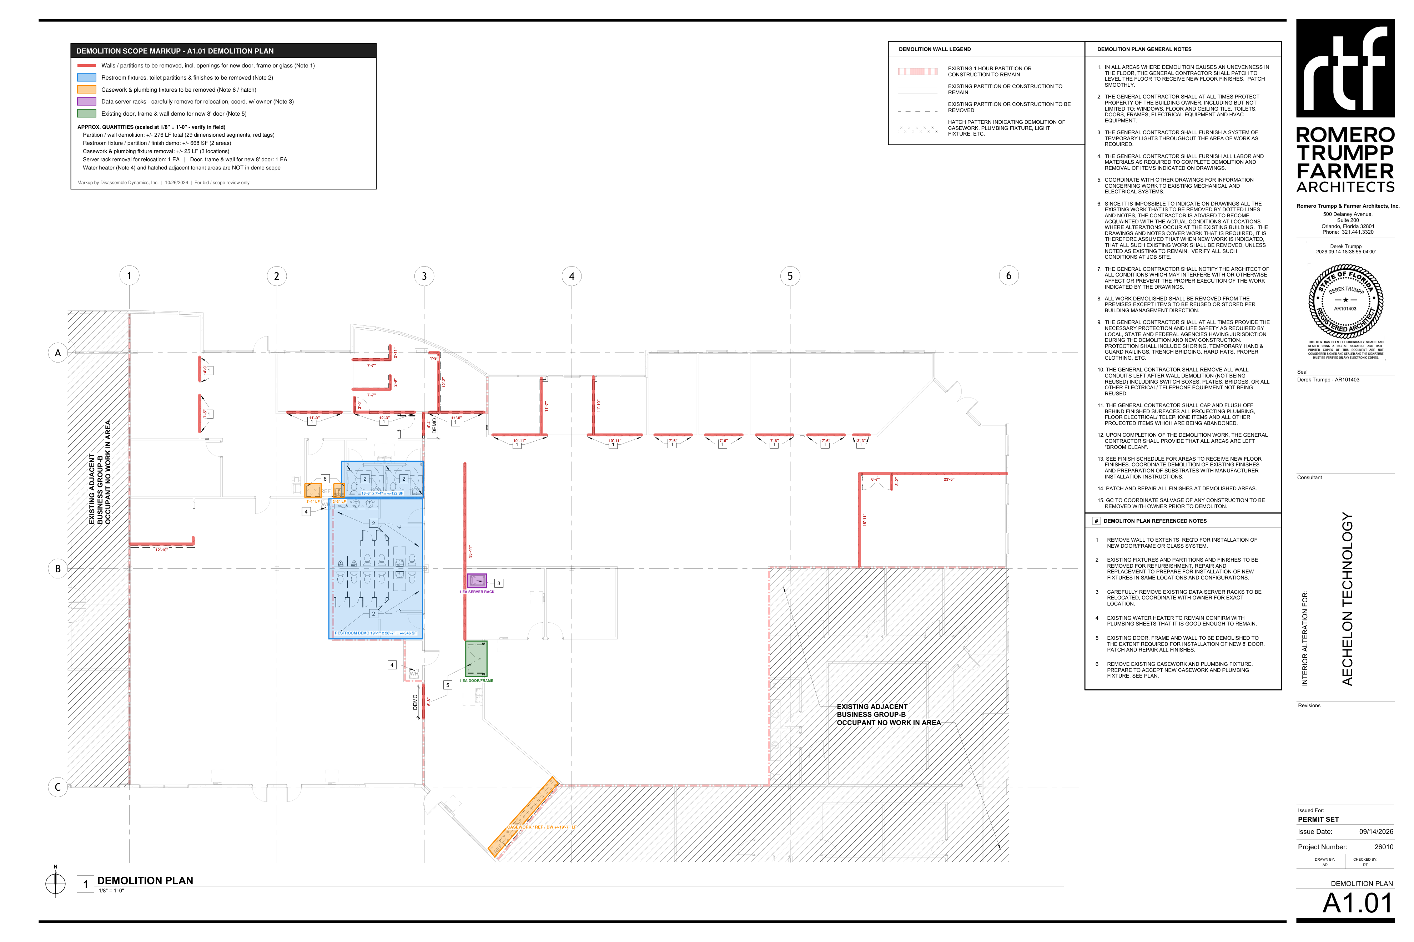
DISASSEMBLE DYNAMICS, INC. - DEMOLITION BID BREAKOUT
Aechelon Technology - 12633 Challenger Parkway, Suite 250/260, Orlando FL 32826 | GC: S.A. Casey Construction (Kelly Lehman) | Romero Trumpp Farmer Architects A1.01 / A1.02, Permit Set 09/14/2026
Quantities scaled from A1.01 / A1.02 at 1/8" = 1'-0" - see markup tabs. Verify in field. |  |  |  |  |  |  |  |  |  |  |  | DEMOLITION MARKUPS - A1.01 DEMO PLAN / A1.02 DEMO RCP

# | Description | Ref | Qty | Unit | MH / Unit | MH | Labor $ | Equip / Rental $ | Disposal $ | Other $ | Direct $
BASE BID - INTERIOR SELECTIVE DEMOLITION (A1.01 / A1.02)
D1 | Demo walls at office/corridor fronts for new door/frame or glass system openings, 12 locations (+/-101 LF) | Plan Note 1 | 101 | LF | 0.250 | 25.3 | $631 | - | - | - | $631
D2 | Demo interior partitions shown dashed (+/-175 LF) | A1.01 legend | 175 | LF | 0.250 | 43.8 | $1,094 | - | - | - | $1,094
D3 | Remove restroom plumbing fixtures, toilet partitions & finishes (after cap by plumber), 2 areas | Plan Note 2 | 668 | SF | 0.060 | 40.1 | $1,002 | - | - | - | $1,002
D4 | Carefully remove data server racks and set aside for owner relocation | Plan Note 3 | 1 | EA | 4.000 | 4.0 | $100 | - | - | - | $100
D5 | Remove door, frame & wall for new 8' door | Plan Note 5 | 1 | EA | 4.000 | 4.0 | $100 | - | - | - | $100
D6 | Remove casework & plumbing fixtures incl. REF/DW run, 3 locations | Plan Note 6 | 25 | LF | 0.400 | 10.0 | $250 | - | - | - | $250
D7 | Remove ceiling grid & tile - carefully remove and store ACT on site for reuse, 9 areas | Ceiling Note 3; RCP Gen. Note 1 | 2,371 | SF | 0.020 | 47.4 | $1,186 | - | - | - | $1,186
D8 | Remove marked light fixtures (61 lay-in / 14 linear pendant) | Ceiling Note 1 | 75 | EA | 0.500 | 37.5 | $938 | - | - | - | $938
D9 | Carefully remove track light (+/-12'-5") and turn over for relocation | Ceiling Note 2 | 1 | EA | 1.500 | 1.5 | $38 | - | - | - | $38
D10 | Disconnect & remove devices, boxes, plates & wiring in demolished walls back to nearest J-box | Demo Gen. Note 10 | 276 | LF | 0.050 | 13.8 | $345 | - | - | - | $345
D11 | Salvage coordination, load-out, protection of items to remain, broom clean | Demo Gen. Notes 8, 12, 15 | 1 | LS | 16.000 | 16.0 | $400 | - | - | - | $400
D12 | Ladders / baker scaffold / debris carts | - | 1 | LS | 0.000 | - | - | $300 | - | - | $300
D13 | Consumables - blades, bags, poly, PPE | - | 1 | LS | 0.000 | - | - | - | - | $400 | $400
D14 | C&D disposal - 30 yd dumpsters | Demo Gen. Note 8 | 4 | PULL | 0.000 | - | - | - | $1,400 | - | $1,400
 | BASE BID - man-hours / crew-days |  |  |  |  | 243.3 | 6
 | Direct cost |  |  |  |  |  |  |  |  |  | $8,183
 | Lodging & per diem |  |  |  |  |  |  |  |  |  | $3,030
 | Contingency |  |  |  |  |  |  |  |  |  | $409
 | Profit ($/crew-day x crew-days) |  |  |  |  |  |  |  |  |  | $6,000
 | BASE BID TOTAL |  |  |  |  |  |  |  |  |  | $17,630

ALTERNATE #1 - REMAINING FLUORESCENT FIXTURES THROUGHOUT SUITE (RCP GEN. NOTE 3)
A1.1 | Remove all remaining existing fluorescent fixtures throughout suite (not tagged) - approx. count | RCP Gen. Note 3 | 60 | EA | 0.500 | 30.0 | $750 | - | - | - | $750
A1.2 | C&D disposal | - | 1 | PULL | 0.000 | - | - | - | $350 | - | $350
 | ALT #1 - man-hours / crew-days |  |  |  |  | 30.0 | 1
 | Direct cost |  |  |  |  |  |  |  |  |  | $1,100
 | Lodging & per diem |  |  |  |  |  |  |  |  |  | $505
 | Contingency |  |  |  |  |  |  |  |  |  | $55
 | Profit ($/crew-day x crew-days) |  |  |  |  |  |  |  |  |  | $1,000
 | ALT #1 TOTAL |  |  |  |  |  |  |  |  |  | $2,660

 | Unit price for fixtures beyond the approx. count ($/EA) |  |  |  |  |  |  |  |  |  | $45

DEMOLITION BID SUMMARY
 | BASE BID |  |  |  |  |  | 6 |  |  |  | $17,630
 | ALT #1 |  |  |  |  |  | 1 |  |  |  | $2,660
 | Base bid + Alt #1 |  |  |  |  |  |  |  |  |  | $20,290

EXPENSE BREAKDOWN BY COST TYPE
 | Section | Labor MH | Labor $ | Equipment $ | Disposal $ | Other / Consumables $ | Lodging & Per Diem $ | Contingency $ | Profit $ | Total $
 | BASE BID | 243.3 | $6,083 | $300 | $1,400 | $400 | $3,030 | $409 | $6,000 | $17,630
 | ALT #1 | 30.0 | $750 | - | $350 | - | $505 | $55 | $1,000 | $2,660
 | % of base bid |  | 34.5% | 1.7% | 7.9% | 2.3% | 17.2% | 2.3% | 34.0% | 100.0%

